Q #18
RF Shapland - 18 |  | Solution ->

 | Given the following normality plot:
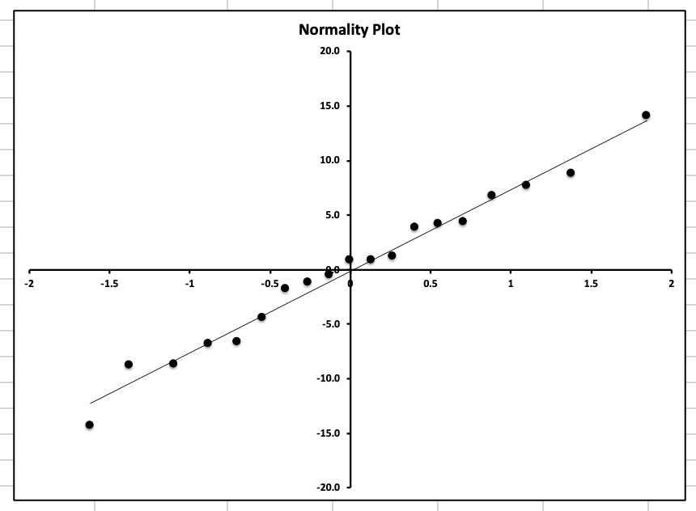

 | a.
 | Comment on the assumption that the residuals are normally distributed.

 | b.
 | Briefly describe four other tests that could be run to test normality.

 | c.
 | Briefly describe a plot that could be created to identify outliers.

 | d.
 | Explain why outliers cannot automatically be removed from the data.

SHOW ALL WORK.

2015 #10
 | Source: | Spring 2015 | Exam 7 | Q #10 | Solution ->
 | Points: | 2.00

 |  | Given the following residual graphs from an over-dispersed Poisson (ODP) bootstrap model:

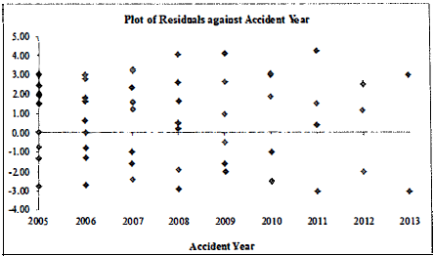

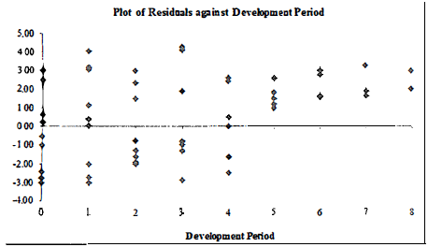

a. | 0.5 point | For each graph, briefly discuss whether the illustrated residuals demonstrate the
 |  | presence or absence of heteroscedasticity.

b. | 0.5 point | Describe why it is important to adjust for heteroscedasticity when using a bootstrap
 |  | model.

c. | 1 point | Describe two procedures for adjusting for heteroscedasticity.

SHOW ALL WORK.

